Website Overview
Project Name - davidkucic.com

Website Overview -

SERP Snippet Preview: | What is it.
 | The SERP Snippet illustrates how your page may be shown in Search Results for a particular query. Typically the page's Title, URL and Meta Description have been the main components utilized here, and hence could be carefully dictated, though Search Engines are more frequently building these snippets themselves to better represent the page content to their searchers. It's important that the SERP Snippet is enticing for your searchers to click on, and accurately represents your content to avoid bounces or heavy re-writing by the Search Engine. You should keep these factors in mind when populating the page Title, Meta Description and URL.

Site Health: | What is it.
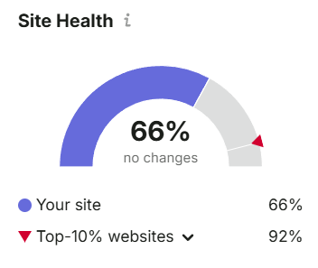 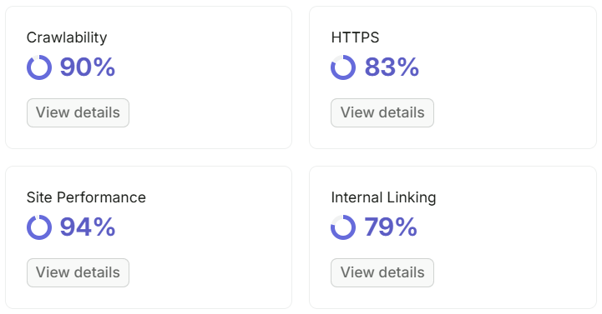 | The Site Health score is based on the number of errors and warnings found on your site, and their uniqueness. The higher the score, the fewer problems your site has, the better it is optimized for search engines, and the more user-friendly it is. The average industry score is based on the score of each website associated with the selected industry. This list of sites is based on Traffic Analytics data.

Top Issues: | What is it.
 | The most important issues detected on your website based on their number and priority level.

Website Performance & Usability
Website Performance & Usability

1. Usability

A) Viewport
The Viewport is a Meta Tag within the page's HTML which gives the browser instructions for how to control the page's dimensions and scaling. Setting the Viewport is particularly important for mobile and tablet device responsiveness, as without it, the page can appear incorrectly sized and require zooming or scrolling to view content.

B) Device Rendering
This check visually demonstrates how your page renders on different devices. It is important that your page is optimized for mobile and tablet experiences as today the majority of web traffic comes from these sources.


2. Loading Speed | Recommendations
Google has indicated that site speed is one of the signals used by its algorithm to rank pages. A slow page speed means that search engines can crawl a few pages using their allocated crawl budget, and this could negatively affect your indexability. | 1. High quality media files might cause lower page speed performance. Compress them and reupload them. I have listed down those large images in the ‘Image size’ section. 2. Minify the JS and CSS.

A) Mobile speed
Your mobile site’s load speed has a significant effect on your site visitors’ experience. Your website mobile loading speed is very slow. This site needs to improve the speed to minimum 70.

A) Desktop speed
Your Desktop loading speed is very low too. The site needs to improve the desktop speed to minimum 80.

C) Fully load timing
According to Google, best practice is three seconds. 2.3 seconds is not good. Industry recommended time is 3 seconds. This might be because of the homepage’s video and images.
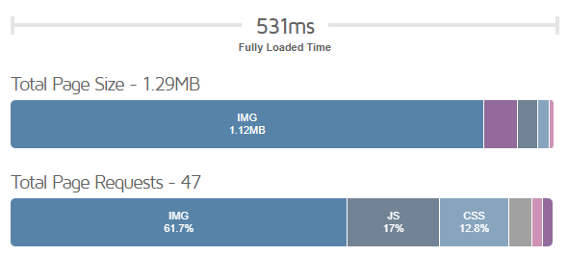

No Issues Found: Fully load timing is more than 3 seconds.

GEO Audit
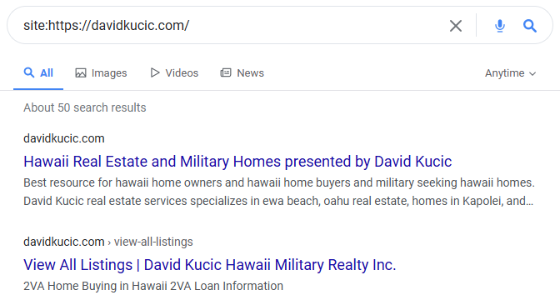
GEO Audit

A) LLMs.txt
Robots.txt is a text file. Webmasters create to instruct web crawlers how to crawl pages on their website. The robots.txt file is part of web standards that regulate how robots crawl the web, access and index content, and serve that content up to users.

Issue Found: Your website is not contains a robots.txt file.

B) Schema.org Structured Data
Schema markup is code that you place on your website to help the search engines return more informative results for users. Schema validation errors are mistakes in the formatting of your Schema data, making it difficult for Google to understand that data.

Issues Found: Currently your page has schema errors or warnings.

C) LLMs Crawability
LLM crawlability refers to how easily large language models can access, interpret, and learn from your site’s content, and poor structure or blocked resources can limit their ability to understand and surface your information effectively.
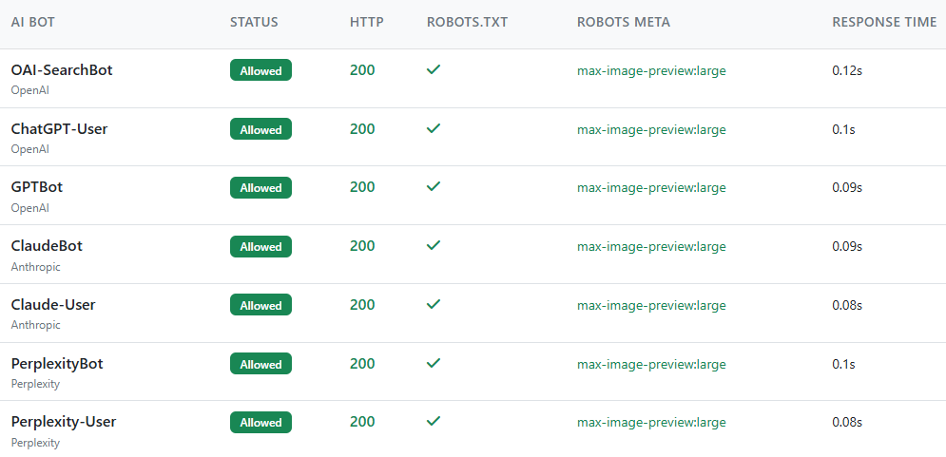

No Issue Found: Your website is crawable.

D) Search Engine Presence

Google Presence
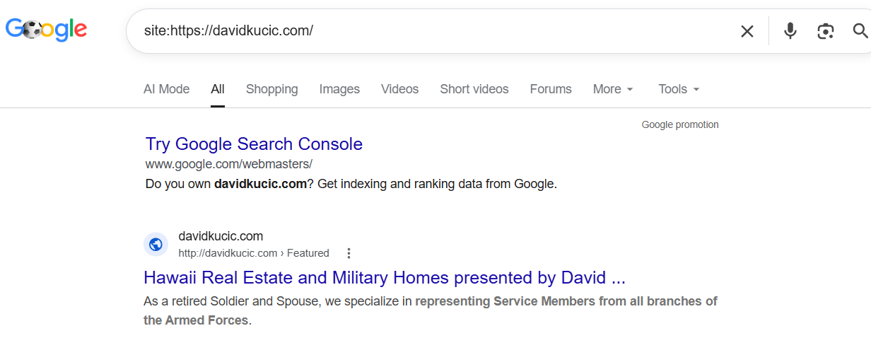

Bing Presence
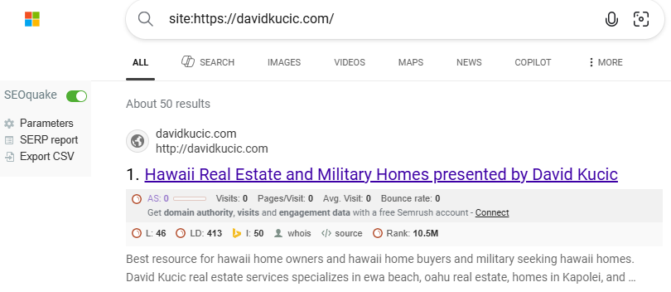

Yahoo Presence

Off-Page Status
Off-Page Status | Recommendations
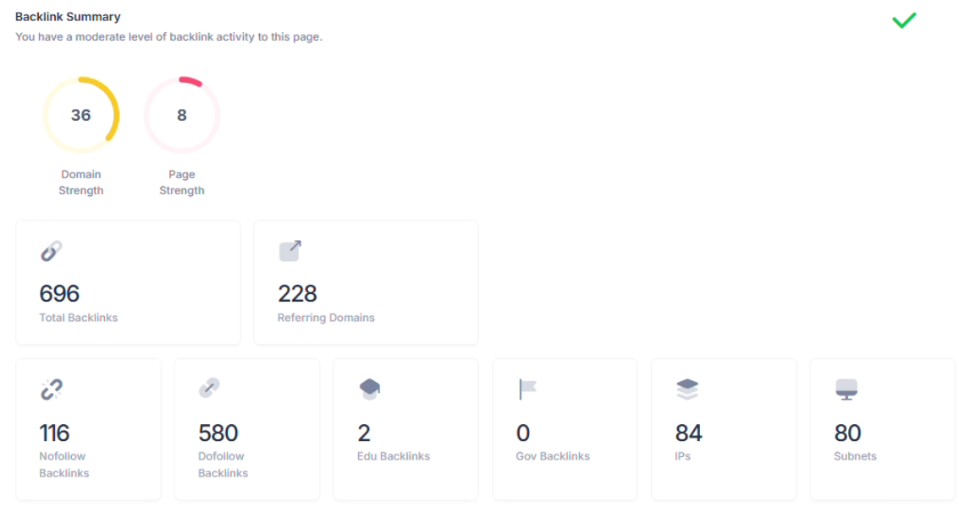 | 1. Build high quality backlinks from reputable, relevant sites 2. Prioritize natural link acquisition over large volume link swaps 3. Maintain consistent brand mentions across directories and citations 4. Encourage reviews on trusted platforms to strengthen authority

